Case Study
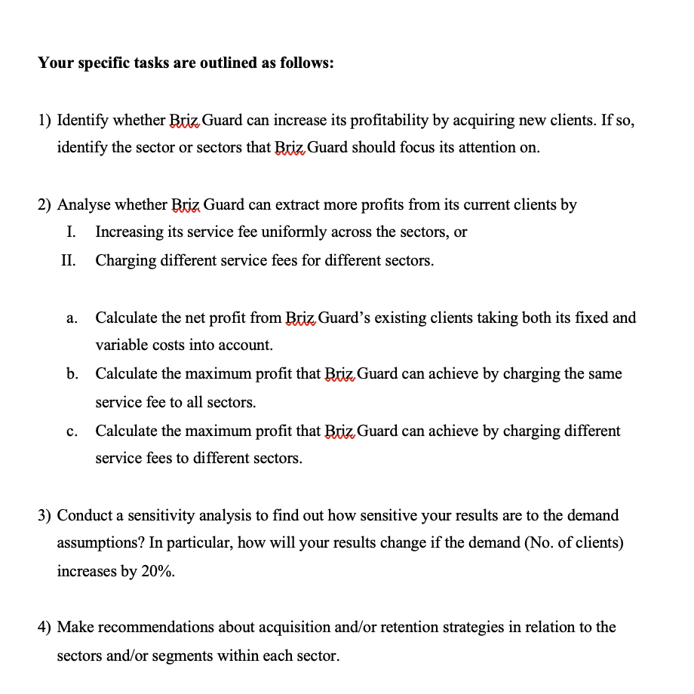
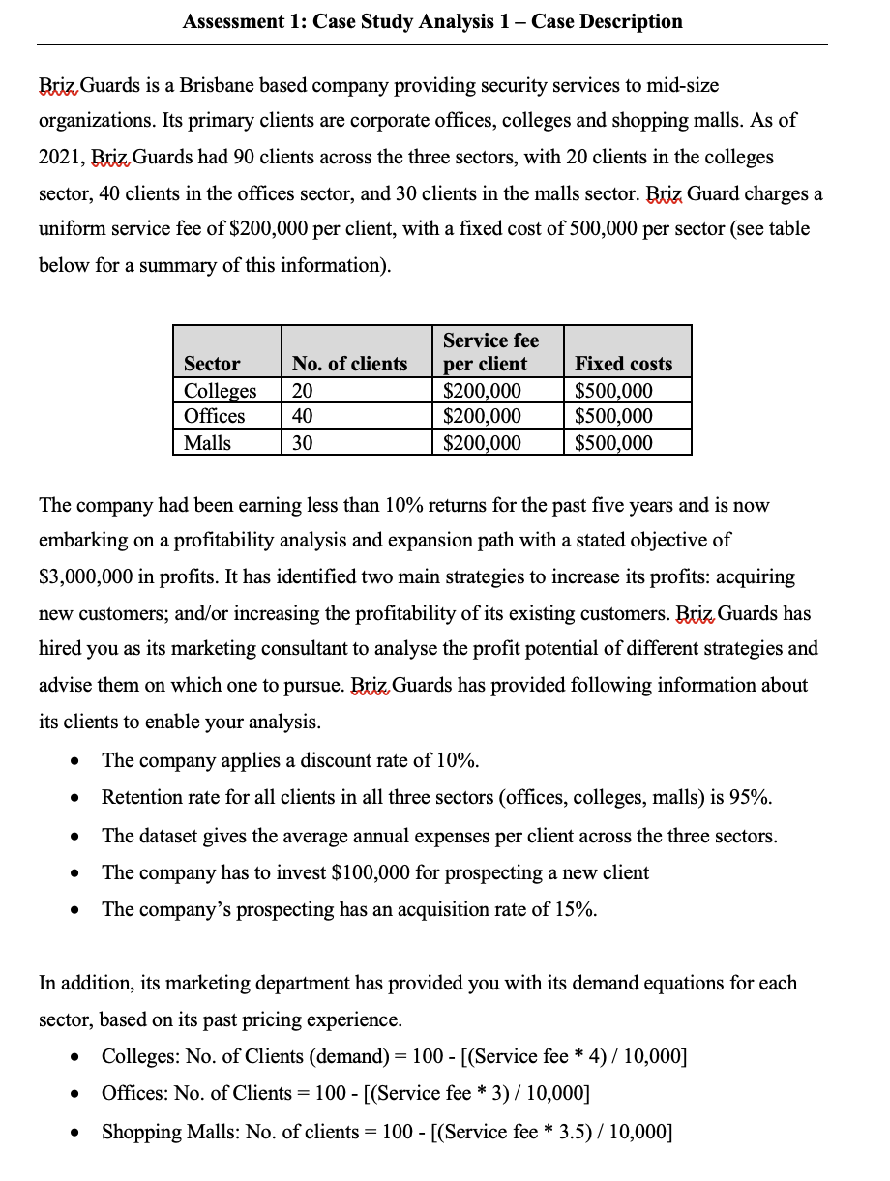

Appendix
Table Overview | Description |  |  |  |  |  | Formula Overview
Table 1 | Retention rate, Acquisition rate in 'Colleges' 'Offices' 'Malls' |  |  |  |  |  | 1. Contribution Margin = Annual Subscription Fee – Annual Expenses
Table 2 | Contribution Margin & CLV Calculation in 'Colleges' 'Offices' 'Malls' |  |  |  |  |  | 2. CLV = Margin * (Retention Rate (%) / (1+Discount Rate (%) - Retention Rate (%)
Table 3 | Contribution Distribution in 'Colleges' 'Offices' 'Malls' |  |  |  |  |  | 3. =SUM(OFFSET(Contribution Margin ‘Table 2’,1,0,Number of Clients in decile,1))
Table 4 | PLC Calculation in 'Colleges' 'Offices' 'Malls' |  |  |  |  |  | 4. PLV = Acquisition Rate (%) * (Initial Margin ($) + CLV ($) - Acquisition Spending per Prospect (KILDE)
Table 5 | Profitability calculation: Current profits in 'Analysis' |  |  |  |  |  | 5. Revenue = Service fee per client * Number of clients
Table 6 | Solver solution for same price in 'Analysis' |  |  |  |  |  | 6. Cost = (Average annual expenses * Number of clients) + Fixed cost per sector
Table 7 | Solver solution for different prices in 'Analysis' |  |  |  |  |  | 7. Demand increase = Trunc(Number,0) Number of customers * 1.2
Table 8 | Solver solution for same price (+20%) in 'Analysis'
Table 9 | Solver solution for different prices (+20%) in 'Analysis' |  |  |  |  |  | Reference list
 |  |  |  |  |  |  | Jain, D., & Singh, S. S. (2002). Customer lifetime value research in marketing: A review and future directions. Journal of Interactive Marketing, 16(2), 34-46. https://doi.org/https://doi.org/10.1002/dir.10032
Table 1 |  |  |  |  |  |  | Kumar, V., Venkatesan, R., Bohling, T., & Beckmann, D. (2008). Practice Prize Report The Power of CLV: Managing Customer Lifetime Value at IBM. Marketing Science, 27(4), 585-599. https://doi.org/10.1287/mksc.1070.0319
Sector | Clients | Deciles | Clients per decile |  |  |  | Kumar, V., Venkatesan, R., & Rajan, B. (2009). Implementing profitability through a customer lifetime value management framework. NIM Marketing Intelligence Review, 1(2), 32-43. https://doi.org/doi:10.2478/gfkmir-2014-0076
Colleges | 20 | 10 | 2 |  |  |  | The Treasury. (2015). Approaches to sensitivity analysis. New Zealand Government. https://www.treasury.govt.nz/information-and-services/state-sector-leadership/investment-management/better-business-cases-bbc/bbc-methods-and-tools/approaches-sensitivity-analysis
Offices | 40 | 10 | 4
Malls | 30 | 10 | 3

Table 2 | Colleges |  | Offices |  | Malls
Constributing Clients | New values | Original values | New values2 | Original values3 | New values3 | Original values4
No of Clients | 13 | 20 | 29 | 40 | 17 | 30
Avg. Contribution Margin | $84,447 | $30,499 | $83,525 | $50,482 | $107,874 | $17,177
Tot. Contribution Margin | $1,097,805 | $609,984 | $2,422,230 | $86,704 | $1,833,866 | $515,296
Average CLV | $534,828 | $193,162 | $528,993 | $319,717 | $683,205 | $108,785
Total CLV | $6,952,766 | $3,863,234 | $15,340,790 | $12,788,697 | $11,614,485 | $3,263,541

Table 3 | Colleges |  | Offices |  | Malls
PLV - Contributing Clients | New PLV | Old PLV | New PLV2 | Old PLV3 | New PLV3 | Old PLV4
Expt. initial margin (avg.) | $84,447 | $30,499 | $83,525 | $50,482 | $107,874 | $17,177
Expected CLV (avg.) | $534,828 | $193,162 | $528,993 | $319,717 | $683,205 | $108,785
Acqusition rate | 15% | 15% | 15% | 15% | 15% | 15%
Acquisition spending | $100,000 | $100,000 | $100,000 | $100,000 | $100,000 | $100,000
PLV | -$7,109 | -$66,451 | -$8,122 | -$44,470 | $18,662 | -$81,106

Figure 1 |  |  |  | Figure 2 |  |  |  |  | Figure 3

% of total contribution of Customer Deciles, Colleges
 | % of total contribution
1 | 48%
2 | 39%
3 | 28%
4 | 25%
5 | 22%
6 | 16%
7 | -4%
8 | -14%
9 | -25%
10 | -35%
% of total contribution of Customer Deciles, Offices
 | % of total contribution
1 | 34%
2 | 27%
3 | 22%
4 | 18%
5 | 10%
6 | 6%
7 | 2%
8 | -3%
9 | -5%
10 | -12%
% of total contribution of Customer Deciles, Malls
 | % of total contribution
1 | 101%
2 | 83%
3 | 72%
4 | 51%
5 | 35%
6 | 16%
7 | -18%
8 | -45%
9 | -86%
10 | -108%

Net Profit, Colleges
Table 4 |  |  |  |  |  |  |  |  | Figure 4
Sector | No. of clients | Avg. annual expenses per client | Service fee per client | Fixed costs | Revenue | Costs | Net Profit
Colleges | 26 | $169,501 | $185,000 | $500,000 | $4,810,000 | $4,907,020 | -$97,020
Colleges | 24 | $169,501 | $190,000 | $500,000 | $4,560,000 | $4,568,019 | -$8,019
Colleges | 22 | $169,501 | $195,000 | $500,000 | $4,290,000 | $4,229,017 | $60,983
Colleges | 20 | $169,501 | $200,000 | $500,000 | $4,000,000 | $3,890,016 | $109,984
Colleges | 18 | $169,501 | $205,000 | $500,000 | $3,690,000 | $3,551,014 | $138,986
Colleges | 16 | $169,501 | $210,000 | $500,000 | $3,360,000 | $3,212,013 | $147,987
Colleges | 14 | $169,501 | $215,000 | $500,000 | $3,010,000 | $2,873,011 | $136,989
Colleges | 12 | $169,501 | $220,000 | $500,000 | $2,640,000 | $2,534,009 | $105,991
Colleges | 10 | $169,501 | $225,000 | $500,000 | $2,250,000 | $2,195,008 | $54,992
Colleges | 8 | $169,501 | $230,000 | $500,000 | $1,840,000 | $1,856,006 | -$16,006
Colleges | 6 | $169,501 | $235,000 | $500,000 | $1,410,000 | $1,517,005 | -$107,005
Colleges | 4 | $169,501 | $240,000 | $500,000 | $960,000 | $1,178,003 | -$218,003
Colleges | 2 | $169,501 | $245,000 | $500,000 | $490,000 | $839,002 | -$349,002
Colleges | 0 | $169,501 | $250,000 | $500,000 | $0 | $500,000 | -$500,000

Net Profit, Offices
Table 5 |  |  |  |  |  |  |  |  | Figure 5
Sector | No. of clients | Avg. annual expenses per client | Service fee per client | Fixed costs | Revenue | Costs | Net Profit
Offices | 45 | $149,518 | $185,000 | $500,000 | $8,232,500 | $7,153,564 | $1,078,936
Offices | 43 | $149,518 | $190,000 | $500,000 | $8,170,000 | $6,929,287 | $1,240,713
Offices | 42 | $149,518 | $195,000 | $500,000 | $8,092,500 | $6,705,009 | $1,387,491
Offices | 40 | $149,518 | $200,000 | $500,000 | $8,000,000 | $6,480,732 | $1,519,268
Offices | 39 | $149,518 | $205,000 | $500,000 | $7,892,500 | $6,256,455 | $1,636,045
Offices | 37 | $149,518 | $210,000 | $500,000 | $7,770,000 | $6,032,177 | $1,737,823
Offices | 36 | $149,518 | $215,000 | $500,000 | $7,632,500 | $5,807,900 | $1,824,600
Offices | 34 | $149,518 | $220,000 | $500,000 | $7,480,000 | $5,583,622 | $1,896,378
Offices | 33 | $149,518 | $225,000 | $500,000 | $7,312,500 | $5,359,345 | $1,953,155
Offices | 31 | $149,518 | $230,000 | $500,000 | $7,130,000 | $5,135,067 | $1,994,933
Offices | 30 | $149,518 | $235,000 | $500,000 | $6,932,500 | $4,910,790 | $2,021,710
Offices | 28 | $149,518 | $240,000 | $500,000 | $6,720,000 | $4,686,512 | $2,033,488
Offices | 27 | $149,518 | $245,000 | $500,000 | $6,492,500 | $4,462,235 | $2,030,265
Offices | 25 | $149,518 | $250,000 | $500,000 | $6,250,000 | $4,237,958 | $2,012,043

Net Profit, Malls
Table 6 |  |  |  |  |  |  |  |  | Figure 6
Sector | No. of clients | Avg. annual expenses per client | Service fee per client | Fixed costs | Revenue | Costs | Net Profit
Malls | 35 | $182,823 | $185,000 | $500,000 | $6,521,250 | $6,944,527 | -$423,277
Malls | 34 | $182,823 | $190,000 | $500,000 | $6,365,000 | $6,624,586 | -$259,586
Malls | 32 | $182,823 | $195,000 | $500,000 | $6,191,250 | $6,304,645 | -$113,395
Malls | 30 | $182,823 | $200,000 | $500,000 | $6,000,000 | $5,984,704 | $15,296
Malls | 28 | $182,823 | $205,000 | $500,000 | $5,791,250 | $5,664,763 | $126,487
Malls | 27 | $182,823 | $210,000 | $500,000 | $5,565,000 | $5,344,822 | $220,178
Malls | 25 | $182,823 | $215,000 | $500,000 | $5,321,250 | $5,024,881 | $296,369
Malls | 23 | $182,823 | $220,000 | $500,000 | $5,060,000 | $4,704,940 | $355,060
Malls | 21 | $182,823 | $225,000 | $500,000 | $4,781,250 | $4,384,999 | $396,251
Malls | 20 | $182,823 | $230,000 | $500,000 | $4,485,000 | $4,065,058 | $419,942
Malls | 18 | $182,823 | $235,000 | $500,000 | $4,171,250 | $3,745,117 | $426,133
Malls | 16 | $182,823 | $240,000 | $500,000 | $3,840,000 | $3,425,175 | $414,825
Malls | 14 | $182,823 | $245,000 | $500,000 | $3,491,250 | $3,105,234 | $386,016

Difference in Values
 | Net profit | Net profit (+20%)
Colleges | $44,492 | $104,991
Offices | $2,075,412 | $2,558,301
Malls | $443,529 | $632,235
Totals | $2,563,433 | $3,295,527
Sector | $0 | $0
Colleges | $156,483 | $257,481
Offices | $2,121,282 | $2,573,227
Malls | $471,999 | $643,529
Totals | $2,749,764 | $3,474,236
SENSITIVITY
Table 7
SAME PRICES
Sector | No clients | No clients (+20%) | Net profit | Net profit (+20%) | Difference in Clients | % Diff | Diff in Net Profit | % Diff
Colleges | 9 | 10 | $44,492 | $104,991 | 1 | 11% | $60,499 | 136%
Offices | 32 | 38 | $2,075,412 | $2,558,301 | 6 | 19% | $482,890 | 23%
Malls | 20 | 24 | $443,529 | $632,235 | 4 | 20% | $188,706 | 43%
Totals |  |  | $2,563,433 | $3,295,527 |  |  | $732,095 | 29%

Table 8
DIFFERENT PRICES
Sector | No clients | No clients (+20%) | Net profit | Net profit (+20%) | Difference in Clients | % Diff | Diff in Net Profit | % Diff
Colleges | 13 | 15 | $156,483 | $257,481 | 2 | 15% | $100,997 | 65%
Offices | 29 | 34 | $2,121,282 | $2,573,227 | 5 | 17% | $451,945 | 21%
Malls | 17 | 20 | $471,999 | $643,529 | 3 | 18% | $171,529 | 36%
Totals |  |  | $2,749,764 | $3,474,236 |  |  | $724,472 | 26%

